Report_Castellano
DATOS EXTRAÍDOS DE "REPORT ON SPANISH LANGUAGE"
1. Language Data
1.1. Monolingual corpora
Now Corpus
Corpus de la BNE | No es de acceso abierto.
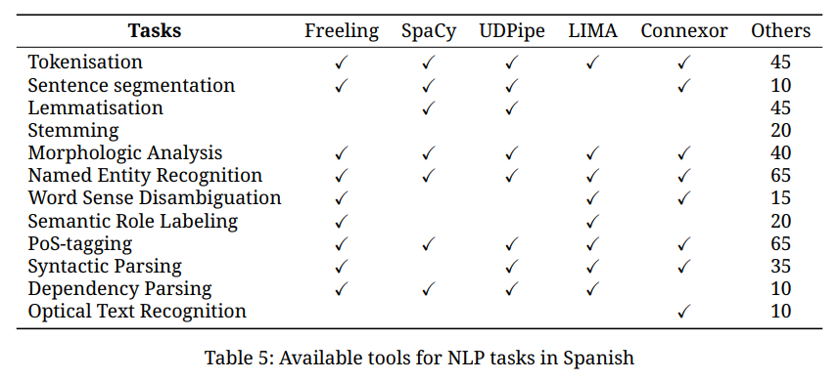
Codicach | Se puede consultar, pero no descargar
CORPES | Se puede consultar, pero no descargar
1.2 Language models
mBERT
XLM-RoBERTa
2. Language Technologies and Tools
Freeling | Concebido como "caja de herramientas"
SpaCy | Concebido como "caja de herramientas"
UDPipe | Concebido como "caja de herramientas"
LIMA | Concebido como "caja de herramientas"
Connexor | Concebido como "caja de herramientas"
2.1. Translation technologies
Google Translate | Plataforma popular
Deepl | Plataforma popular
Bing | Plataforma popular
Apertium | Iniciativa abierta que es un modelo de traducción descargable. Traduce del español a otras lenguas de España. Traduce a partir de un sistema basado en reglas, que está más desfasado "than neural ones".
eTranslation | Servicio libre ofrecido por la Comisión Europea a la Administración Pública Europea. Es una "neural-based translation" que traduce en todos los idiomas europeos oficiales.
2.2. Speech data and technologies
TC-Star | Recurso creado por el Language and Speech Technologies group de la Unviersitat Politécnica de Catalunya (TALP-UPC), entre otros muchos, aunque la mayoría de ellos no son de acceso abierto.

